Quadratic Interpolation
Quadratic Interpolation (2nd order, with 3 points)
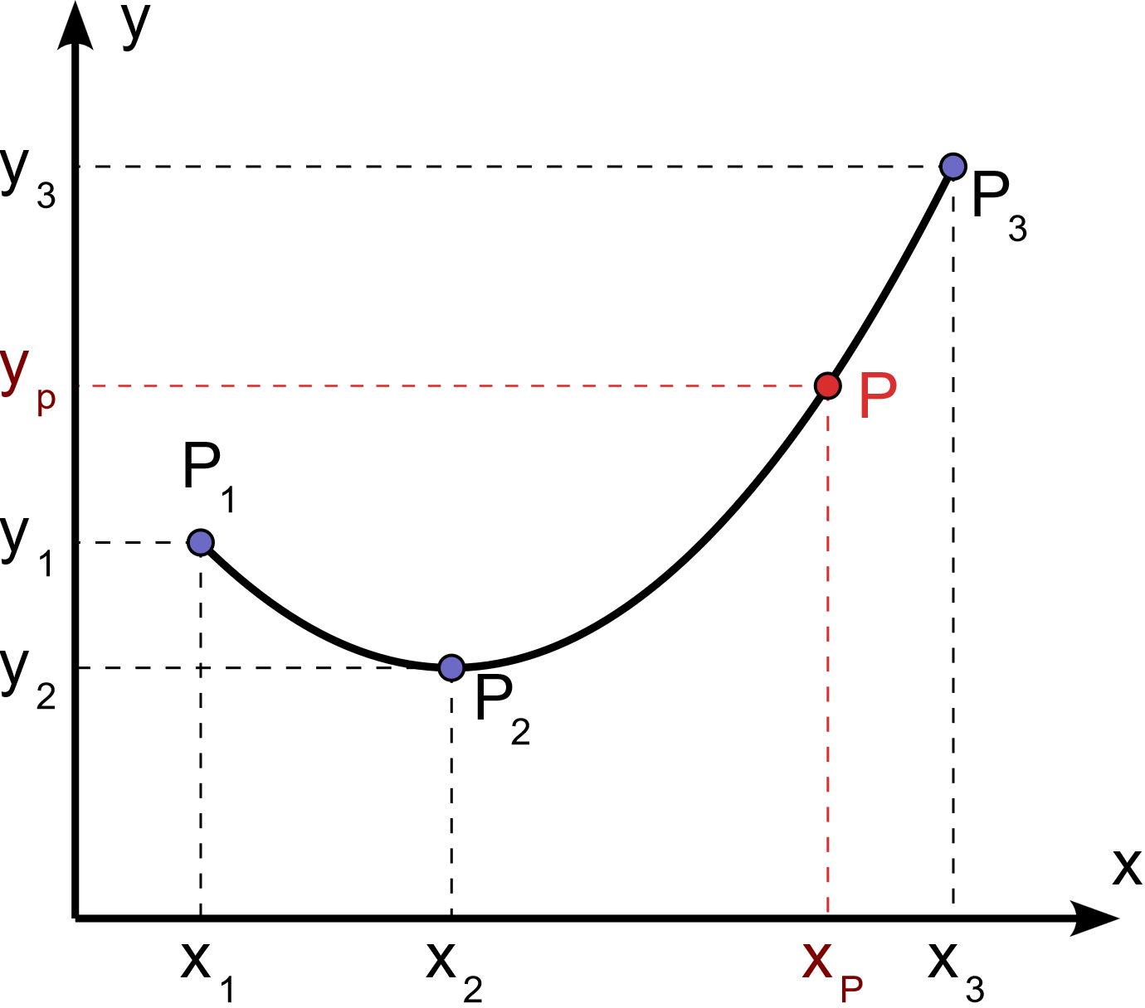
 | © 2024 Vagelis Plevris, PhD
 | vplevris@gmail.com
 | http://www.vplevris.net/
 | v1.00 | Release date: | 2024-03-20

 | Change only the yellow cells in this worksheet

 | Known coordinates of points P1, P2, P3:

 |  | x | y
 | P1 | 0 | 6 |  | b1 = | 6
 | P2 | 2 | 4 |  | b2 = | -1
 | P3 | 6 | 12 |  | b3 = | 0.5

 | x-Coordinate of point P is known
 | y-Coordinate of point P is calculated:

 |  | x | y
 | P | 5 | 8.5

Quadratic (2nd order) Equation:
y= | 0.5 | *x2 + | -2 | *x + | 6
 | = b3 |  | =b2+b3*(x1-x2) |  | =b1-b2*x1+b3*x1*x2

