Bilinear Interpolation
Bilinear Interpolation - Two independent variables

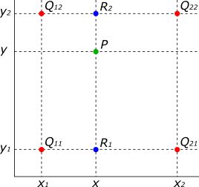
 | © 2016-2024 Vagelis Plevris, PhD
 | vplevris@gmail.com
 | http://www.vplevris.net/
 | v2.00 | Release date: | 2024-03-19

 | Change only the yellow cells in this worksheet

 | Known coordinates (x, y AND z) of 4 points:
 | Q11, Q21, Q12, Q22

 | For point P, the x and y coordinates are known:
 | xP, yP

 |  |  |  |  |  | (Image taken from Wikipedia)
 | The z-Value of point P is calculated with interpolation |  |  |  |  | https://en.wikipedia.org/wiki/Bilinear_interpolation
z-Values

z-Values
 | y2= | 0.6 | 60 | 56.875 | 50
 | yP= | 0.66 | 72 | 68.875 | 62
 | y1= | 0.7 | 80 | 76.875 | 70
 |  |  | 2 | 3.25 | 6
 |  |  | = x1 | = xP | = x2

 | Table with the coordinates of all points:

 |  |  | x | y | z
 |  | Q11 | 2 | 0.7 | 80
 |  | Q21 | 6 | 0.7 | 70
 |  | Q12 | 2 | 0.6 | 60
 |  | Q22 | 6 | 0.6 | 50
 |  | R1 | 3.25 | 0.7 | 76.875
 |  | R2 | 3.25 | 0.6 | 56.875
 |  | P | 3.25 | 0.66 | 68.875

